Sheet1
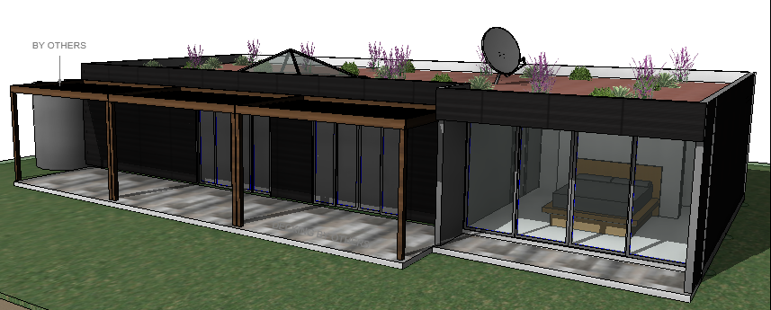 |  |  | The Cobargo |  |  |  |  | Project Address
 |  |  |  |  |  |  |  | Client
 |  |  |  |  |  |  |  |  |  | Price | $235,300
 |  |  |  |  |  |  |  |  | $1,977 |  | per m2 inclusive of all checked items
 |  |  |  | Transportation & Assembly |  |  | Kitchen
 |  |  |  |  | Delivery to site within 300km of Factory |  |  | 20mm Engineered Stone Benchtops |  | Plumbing
 |  |  |  |  | Assembly on site |  | FALSE | 40mm Engineered Stone Bench tops | $- |  | Instant Electric Hotwater | $-
 |  |  |  |  | Site Crane |  |  | 2-Pac Painted Doors & Panels - Gloss White |  | FALSE | Elec hotwater tank - 200L storage
 |  |  |  |  |  |  |  | Softclose door hinges drawer rails
 |  |  |  | Exterior |  |  |  | 2-Pac Painted Kickers |  | Solar Generation
 |  |  |  |  | Solar Cladding - Solibro CIGS - Black |  |  | Tiled Splashback |  |  | Solibro solar panels
Specifications | 119 | m2 Building Size |  |  | Stainless Steel windows and door frames |  |  |  |  |  | Inverters as required
 |  |  |  |  | 10mm Laminated Glass |  | Appliances |  |  |  | Li-Ion Battery Storage 8kWh | $-
 | Design & Documentation |  |  |  | Switchable (smart) Glass as required |  |  | Fisher & Paykel 600mm Freestanding Oven |  |  | Li-Ion Battery Storage 12kWh | $-
 |  | Development Approval (DA) | $- |  | Roof top garden (no access) |  |  | Fisher & Paykel 600mm Canopy Rangehood |  |  | Flow Battery - 18kWh | $-
 | FALSE | Land Survey | $- |  | BAL 40 Compliant |  | FALSE | Fisher & Paykel 900mm Freestanding Oven | $- |  | Flow Battery - 30kWh | $-
 | FALSE | Land Capability Assessment (Septic) | $- |  |  |  | FALSE | Fisher & Paykel 900mm Canopy Rangehood | $- |  | Flow Battery - 40kWh
 | FALSE | BAL Assessment & Report |  | Bushfire Defence |  |  | FALSE | Fisher & Paykel Dishwasher | $- |  | Connections and maintenance
 |  | DA Drawings | $- |  | BAL 40
 | FALSE | Town Planning Reports | $- |  | Sprinker system (fire and heat) |  | Bathroom |  |  | Site Requirements / Connections
 | FALSE | Council Submission & Liaising |  |  | All non-combustable building elements |  |  | 20mm Engineered Stone Benchtops |  |  | Grid Power (if available)
 |  |  |  |  | Steel windows (higher melting point) |  |  | 2-Pac Painted Doors & Panels - Gloss White |  |  | Mains Water (if available)
 |  | Section 68 Building Permit | $350.00 |  | Roof top garden (insulation & barrier) |  |  | Softclose door hinges drawer rails |  |  | Gas (if available)
 | TRUE | Soil Test |  |  | Automated heat sensor for spinker "on" |  |  | Floor to ceiling tiles |  |  | Sewer / Septic (if available)
 |  | Working Drawings | $1,500.00 |  | Sealed underside with non-combustable |  |  | Floor tiles |  |  | Drainage (if available)
 | TRUE | Structural Engineering Drawings | $600.00 |  | Fire rated wall skins (vermiculite) |  |  | Waterproofing to all wet areas |  |  | Exclusions
 | TRUE | Hydraulic Drawings | $350.00 |  |  |  |  | Acrylic shower base |  |  | Services upgrades, extensions or supply
 | TRUE | Energy Rating Report |  | Structure |  |  |  | Porceilain Toilet |  |  | Authority fees or client charges
 |  | BAL Assessment |  |  | Composite structure certified by engineer |  |  | Chrome taps
 |  | Permit & Inspection Fees |  |  | Vermiculite / basalt blend wall panels |  |  | Shower head on rail - adjustable |  | Exclusions
 |  |  |  |  | Atomic 6 building system |  | TRUE | Freestanding Bath | $900.00 |  | Driveways
 | Contract & Building Requirements |  |  |  |  |  |  | Floor waste - chrome |  |  | Verandas, decking unless shown on plans
 |  | Warranty Insurance |  | Energy Efficiency (approx 8 Star) |  |  |  |  |  |  | Rain water tanks
 |  | 7.5year warranty |  |  | Insulation |  | Laundry |  |  |  | Septic Systems
 |  | MBA NSW Fixed Price Contract |  |  | External Walls - R4.2 | $- |  | 20mm Engineered Stone Benchtops |  |  | Tree removal
 |  | General Construction & PL Insurance |  |  | Internal Walls - R4.2 |  |  | 2-Pac Painted Doors & Panels - Gloss White |  |  | Works to site to allow access
 |  |  |  |  | Floor - R8.0 |  |  | Softclose door hinges drawer rails
 | Site Establishment / Preliminary |  |  |  | Ceiling & Rooftop - R6.0 |  |  | Tiled Splashback |  | Options / Upgrades |  | $-
 |  | Temporary Fencing as required |  |  | Glazing |  |  | Stainless Steel insert sink |  | FALSE | Incinerator toilet | $-
 |  | Temporary Toilet |  |  | 10mm laminated glass |  |  | Chrome taps |  | FALSE | Compost Toilet | $-
 |  | Site Cut / Excavation |  |  | General |  |  | Chrome water stops for machine machine |  | FALSE | Grey water treatment system
 |  | Site Scrape, footing prep |  |  | Fully sealed house (exception of ext doors) |  |  |  |  |  | Water storage (in structure) - Free
 |  |  |  |  | LED lights throughout |  | Electrical |  |  |  | ANYTHING YOU WANT - ASK
 | Foundation |  |  |  |  |  |  | General
 |  | Concrete in Ground |  | Interior |  |  |  | LED lights throughout |  | DISCLAIMER
 |  | Concrete Piers, 25MPa Concrete |  |  | 2.4m high ceiling height |  |  | Smoke detector as required |  |  | Final prices to be confirmed by Atomic 6
 |  | Weather treated, adjustable steel posts |  | FALSE | 3.2m high ceiling height | $- |  | All double power points |  |  | These specification need to be read in
 |  | Inspection by independent authority |  |  | Floor to ceiling doors (subject to avail.) |  |  | Lights connected to smart system |  |  | conjunction with the plans, building
 |  |  |  |  | Split System Airconditioning | $- |  | Data |  |  | contract and approved colour selections
 |  | Floor Structure |  |  | Basic Log Fire (including permit) | $- | FALSE | CAT 6 ethernet | $-
 |  | 200mm Thick Atomic 6 system |  |  | Thermal Mass Log Fire (including permit) | $- |  | Satellite Internet / NBN cable | $-
 |  | Bonded to adjustable steel posts |  |  |  |  | TRUE | TV Points | $-
 |  | Inbuilt plumbing to underground point |  | Home Automation |  |  |  | Exclusions
 |  | Weather sealed |  |  | Automatic Lights |  |  | Internet service (account by owner)
 |  | Exclusions |  |  | Sprinkler System
 |  | Hitting rock, additional excavation or adding |  |  | Switchable Glass (where installed) |  | Flooring
 |  | of blinding concrete. |  |  | Alexa System (or Google) |  |  | Common Areas - Engineered Timber
 |  | Variations to the approved engineering |  |  | Tablet Controller |  |  | Bedrooms - Carpet
 |  |  |  | FALSE | Climate | $- |  | Wetareas - Tiles

